PopulationReport
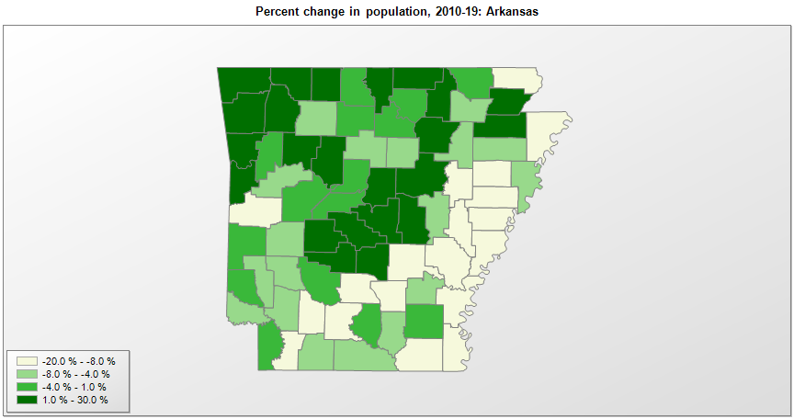

FIPS* | County name | RUC code | Pop. 1990 | Pop. 2000 | Pop. 2010 | Pop. 2019 | Change 2010-19
05000 | Arkansas |  | 2,350,624 | 2,673,293 | 2,916,031 | 3,017,804 | 3.5%
05001 | Arkansas County | 6 | 21,653 | 20,751 | 19,007 | 17,486 | -8.0%
05003 | Ashley County | 7 | 24,319 | 24,217 | 21,845 | 19,657 | -10.0%
05005 | Baxter County | 7 | 31,186 | 38,365 | 41,511 | 41,932 | 1.0%
05007 | Benton County | 2 | 97,530 | 153,323 | 221,348 | 279,141 | 26.1%
05009 | Boone County | 7 | 28,297 | 33,940 | 36,920 | 37,432 | 1.4%
05011 | Bradley County | 7 | 11,793 | 12,618 | 11,505 | 10,763 | -6.4%
05013 | Calhoun County | 9 | 5,826 | 5,731 | 5,368 | 5,189 | -3.3%
05015 | Carroll County | 6 | 18,623 | 25,345 | 27,449 | 28,380 | 3.4%
05017 | Chicot County | 7 | 15,713 | 14,101 | 11,800 | 10,118 | -14.3%
05019 | Clark County | 7 | 21,437 | 23,541 | 22,991 | 22,320 | -2.9%
05021 | Clay County | 7 | 18,107 | 17,594 | 16,083 | 14,551 | -9.5%
05023 | Cleburne County | 6 | 19,411 | 24,005 | 25,964 | 24,919 | -4.0%
05025 | Cleveland County | 3 | 7,781 | 8,562 | 8,692 | 7,956 | -8.5%
05027 | Columbia County | 7 | 25,691 | 25,612 | 24,552 | 23,457 | -4.5%
05029 | Conway County | 6 | 19,151 | 20,320 | 21,267 | 20,846 | -2.0%
05031 | Craighead County | 3 | 68,956 | 82,139 | 96,443 | 110,332 | 14.4%
05033 | Crawford County | 2 | 42,493 | 53,252 | 61,935 | 63,257 | 2.1%
05035 | Crittenden County | 1 | 49,939 | 50,855 | 50,907 | 47,955 | -5.8%
05037 | Cross County | 6 | 19,225 | 19,529 | 17,878 | 16,419 | -8.2%
05039 | Dallas County | 6 | 9,614 | 9,196 | 8,124 | 7,009 | -13.7%
05041 | Desha County | 6 | 16,798 | 15,351 | 13,002 | 11,361 | -12.6%
05043 | Drew County | 6 | 17,369 | 18,690 | 18,517 | 18,219 | -1.6%
05045 | Faulkner County | 2 | 60,006 | 86,036 | 113,238 | 126,007 | 11.3%
05047 | Franklin County | 6 | 14,897 | 17,766 | 18,137 | 17,715 | -2.3%
05049 | Fulton County | 9 | 10,037 | 11,627 | 12,236 | 12,477 | 2.0%
05051 | Garland County | 3 | 73,397 | 88,122 | 95,999 | 99,386 | 3.5%
05053 | Grant County | 2 | 13,948 | 16,457 | 17,842 | 18,265 | 2.4%
05055 | Greene County | 4 | 31,804 | 37,383 | 42,090 | 45,325 | 7.7%
05057 | Hempstead County | 6 | 21,621 | 23,597 | 22,587 | 21,532 | -4.7%
05059 | Hot Spring County | 6 | 26,115 | 30,413 | 33,011 | 33,771 | 2.3%
05061 | Howard County | 6 | 13,569 | 14,304 | 13,781 | 13,202 | -4.2%
05063 | Independence County | 7 | 31,192 | 34,246 | 36,641 | 37,825 | 3.2%
05065 | Izard County | 9 | 11,364 | 13,261 | 13,703 | 13,629 | -0.5%
05067 | Jackson County | 6 | 18,944 | 18,420 | 17,998 | 16,719 | -7.1%
05069 | Jefferson County | 3 | 85,487 | 84,295 | 77,456 | 66,824 | -13.7%
05071 | Johnson County | 7 | 18,221 | 22,779 | 25,545 | 26,578 | 4.0%
05073 | Lafayette County | 8 | 9,643 | 8,550 | 7,643 | 6,624 | -13.3%
05075 | Lawrence County | 6 | 17,455 | 17,762 | 17,410 | 16,406 | -5.8%
05077 | Lee County | 7 | 13,053 | 12,578 | 10,428 | 8,857 | -15.1%
05079 | Lincoln County | 3 | 13,690 | 14,482 | 14,141 | 13,024 | -7.9%
05081 | Little River County | 3 | 13,966 | 13,628 | 13,168 | 12,259 | -6.9%
05083 | Logan County | 6 | 20,557 | 22,480 | 22,361 | 21,466 | -4.0%
05085 | Lonoke County | 2 | 39,268 | 52,849 | 68,382 | 73,309 | 7.2%
05087 | Madison County | 2 | 11,618 | 14,228 | 15,723 | 16,576 | 5.4%
05089 | Marion County | 9 | 12,001 | 16,147 | 16,644 | 16,694 | 0.3%
05091 | Miller County | 3 | 38,467 | 40,455 | 43,462 | 43,257 | -0.5%
05093 | Mississippi County | 4 | 57,525 | 51,999 | 46,481 | 40,651 | -12.5%
05095 | Monroe County | 7 | 11,333 | 10,255 | 8,155 | 6,701 | -17.8%
05097 | Montgomery County | 8 | 7,841 | 9,222 | 9,497 | 8,986 | -5.4%
05099 | Nevada County | 7 | 10,101 | 9,940 | 9,020 | 8,252 | -8.5%
05101 | Newton County | 9 | 7,666 | 8,603 | 8,315 | 7,753 | -6.8%
05103 | Ouachita County | 7 | 30,574 | 28,776 | 26,128 | 23,382 | -10.5%
05105 | Perry County | 2 | 7,969 | 10,199 | 10,444 | 10,455 | 0.1%
05107 | Phillips County | 6 | 28,830 | 26,438 | 21,755 | 17,782 | -18.3%
05109 | Pike County | 9 | 10,086 | 11,301 | 11,287 | 10,718 | -5.0%
05111 | Poinsett County | 3 | 24,664 | 25,617 | 24,576 | 23,528 | -4.3%
05113 | Polk County | 7 | 17,347 | 20,234 | 20,654 | 19,964 | -3.3%
05115 | Pope County | 5 | 45,883 | 54,492 | 61,753 | 64,072 | 3.8%
05117 | Prairie County | 8 | 9,518 | 9,523 | 8,716 | 8,062 | -7.5%
05119 | Pulaski County | 2 | 349,569 | 361,370 | 382,749 | 391,911 | 2.4%
05121 | Randolph County | 7 | 16,558 | 18,191 | 17,969 | 17,958 | -0.1%
05123 | St. Francis County | 6 | 28,497 | 29,330 | 28,253 | 24,994 | -11.5%
05125 | Saline County | 2 | 64,183 | 83,559 | 107,135 | 122,437 | 14.3%
05127 | Scott County | 6 | 10,205 | 10,986 | 11,241 | 10,281 | -8.5%
05129 | Searcy County | 9 | 7,841 | 8,240 | 8,195 | 7,881 | -3.8%
05131 | Sebastian County | 2 | 99,590 | 115,101 | 125,740 | 127,827 | 1.7%
05133 | Sevier County | 6 | 13,637 | 15,750 | 17,059 | 17,007 | -0.3%
05135 | Sharp County | 7 | 14,109 | 17,120 | 17,263 | 17,442 | 1.0%
05137 | Stone County | 9 | 9,775 | 11,496 | 12,394 | 12,506 | 0.9%
05139 | Union County | 7 | 46,719 | 45,633 | 41,639 | 38,682 | -7.1%
05141 | Van Buren County | 8 | 14,008 | 16,182 | 17,296 | 16,545 | -4.3%
05143 | Washington County | 2 | 113,409 | 157,805 | 203,050 | 239,187 | 17.8%
05145 | White County | 4 | 54,676 | 67,164 | 77,086 | 78,753 | 2.2%
05147 | Woodruff County | 9 | 9,520 | 8,738 | 7,264 | 6,320 | -13.0%
05149 | Yell County | 6 | 17,759 | 21,127 | 22,183 | 21,341 | -3.8%

Source: U.S. Census Bureau, 1990, 2000, and 2010 Censuses of Population (corrected), and 2019 County Total Population Estimates. 1) The FIPS codes uniquely identify each county and are part of the Federal Information Processing Standards (FIPS) developed by the National Institute of Standards and Technology (NIST), U.S. Department of Commerce. For more information, see the NIST FIPS publication page. 2) The 2013 rural-urban continuum codes classify metropolitan counties (codes 1 through 3) by size of the Metropolitan Statistical Area (MSA), and nonmetropolitan counties (codes 4 through 9) by degree of urbanization and proximity to metro areas. See rural-urban continuum codes for precise definitions of each code.

